Summary and Chart
Statistics | Charts | Trades | Formula | Settings | Symbols | Monte Carlo
 |  |  |  | 1. Portfolio Equity
Statistics
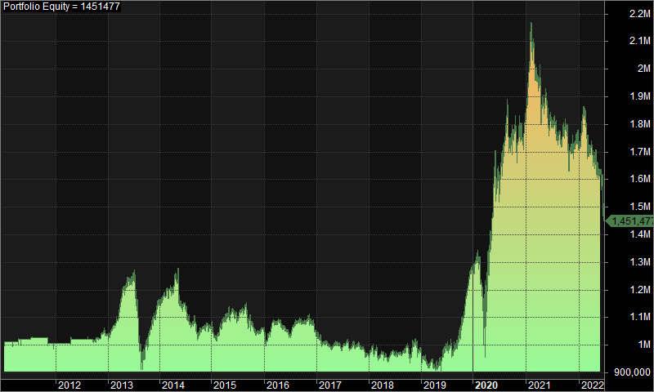
 | All trades | Long trades | Short trades
Initial capital | 1000000 | 1000000 | 1000000
Ending capital | 1451477.44 | 1000000 | 1451477.44
Net Profit | 451477.44 | 0 | 451477.44
Net Profit % | 45.15% | 0.00% | 45.15%
Exposure % | 2.76% | 0.00% | 2.76%
Net Risk Adjusted Return % | 1632.98% | N/A | 1632.98%
Annual Return % | 3.30% | 0.00% | 3.30%
Risk Adjusted Return % | 119.26% | N/A | 119.26%
Total transaction costs | 1065014.05 | 0 | 1065014.05

All trades | 1564 | 0 (0.00 %) | 1564 (100.00 %)
Avg. Profit/Loss | 288.67 | N/A | 288.67
Avg. Profit/Loss % | 1.60% | N/A | 1.60%
Avg. Bars Held | 110.28 | N/A | 110.28

Winners | 682 (43.61 %) | 0 (0.00 %) | 682 (43.61 %)
Total Profit | 8084016.33 | 0 | 8084016.33
Avg. Profit | 11853.4 | N/A | 11853.4
Avg. Profit % | 39.09% | N/A | 39.09%
Avg. Bars Held | 170.72 | N/A | 170.72
Max. Consecutive | 7 | 0 | 7
Largest win | 155887.93 | 0 | 155887.93
# bars in largest win | 304 | 0 | 304
 |  |  |  | 2. Underwater Equity

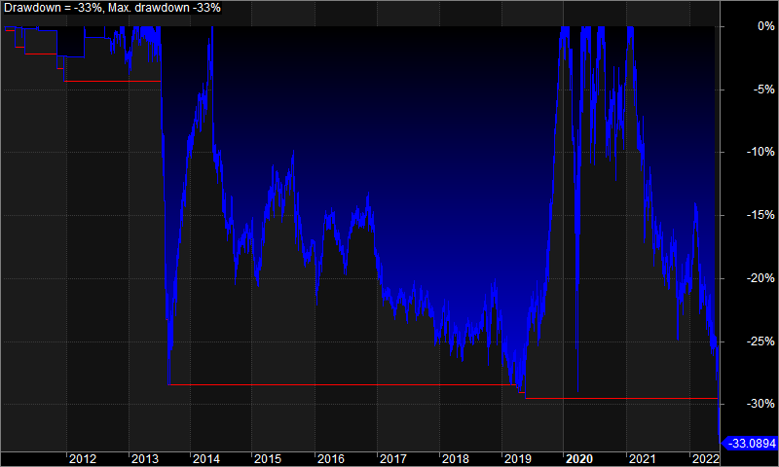
Losers | 882 (56.39 %) | 0 (0.00 %) | 882 (56.39 %)
Total Loss | -7632538.89 | 0 | -7632538.89
Avg. Loss | -8653.67 | N/A | -8653.67
Avg. Loss % | -27.39% | N/A | -27.39%
Avg. Bars Held | 63.54 | N/A | 63.54
Max. Consecutive | 9 | 0 | 9
Largest loss | -192188.02 | 0 | -192188.02
# bars in largest loss | 76 | 0 | 76

Max. trade drawdown | -232052.62 | 0 | -232052.62
Max. trade % drawdown | -99.82 | 0 | -99.82
Max. system drawdown | -717801.52 | 0 | -717801.52
Max. system % drawdown | -33.09% | 0.00% | -33.09%
Recovery Factor | 0.63 | N/A | 0.63
CAR/MaxDD | 0.1 | N/A | 0.1
RAR/MaxDD | 3.6 | N/A | 3.6
Profit Factor | 1.06 | N/A | 1.06
Payoff Ratio | 1.37 | N/A | 1.37
Standard Error | 227508.42 | 0 | 227508.42
Risk-Reward Ratio | 0.25 | N/A | 0.25
Ulcer Index | 15.86 | 0 | 15.86
Ulcer Performance Index | -0.13 | N/A | -0.13
Sharpe Ratio of trades | 0.47 | 0 | 0.47
K-Ratio | 0 | N/A | 0

 |  |  |  | 3. Profit Table

 |  |  |  | Year | Jan | Feb | Mar | Apr | May | Jun | Jul | Aug | Sep | Oct | Nov | Dec | Yr%
 |  |  |  | 2011 | 1.20% | 0.00% | -0.10% | 1.10% | -0.10% | 0.00% | 0.50% | 0.00% | 0.00% | 0.00% | -2.00% | 0.00% | 0.60%
 |  |  |  | 2012 | -0.10% | 0.00% | 0.00% | 1.60% | 0.00% | 0.00% | 0.00% | -0.10% | -0.40% | 0.70% | 1.70% | -0.40% | 3.10%
 |  |  |  | 2013 | 2.10% | 2.00% | 5.60% | 5.50% | 2.30% | 1.50% | -8.20% | -17.30% | 6.70% | 5.00% | 3.60% | 4.40% | 10.90%
 |  |  |  | 2014 | 3.10% | 0.00% | 0.00% | 4.60% | -6.50% | -1.40% | -5.40% | 0.60% | -5.10% | 2.90% | 0.30% | 0.10% | -7.20%
 |  |  |  | 2015 | -4.20% | 3.80% | 2.80% | 2.00% | 1.70% | -3.60% | 3.40% | 1.30% | -5.90% | -2.10% | -0.80% | 1.60% | -0.50%
 |  |  |  | 2016 | -3.50% | 5.00% | 0.30% | 0.20% | -1.70% | -2.60% | 2.70% | 2.50% | -0.50% | 0.70% | -0.10% | -3.90% | -1.20%
 |  |  |  | 2017 | -2.40% | -1.50% | -1.20% | -0.40% | 1.60% | -2.50% | 2.60% | -2.00% | 0.20% | 1.50% | -1.60% | -2.30% | -8.00%
 |  |  |  | 2018 | 3.40% | -1.00% | -2.10% | 0.10% | -0.70% | 0.70% | -0.10% | 0.70% | 1.70% | -0.90% | 2.10% | -1.30% | 2.60%
 |  |  |  | 2019 | -3.30% | -4.30% | -0.30% | 0.30% | 4.30% | 4.50% | 0.50% | -0.80% | 5.40% | 4.30% | 9.80% | 5.90% | 28.40%
 |  |  |  | 2020 | 3.40% | -6.40% | -10.90% | 22.90% | 14.20% | 4.50% | 3.80% | 9.30% | -4.60% | -3.30% | 4.20% | 4.60% | 44.40%
 |  |  |  | 2021 | 10.70% | 2.70% | -7.40% | -3.30% | 2.00% | -5.00% | -1.00% | -2.10% | 1.70% | -6.50% | 2.70% | 3.70% | -3.30%
 |  |  |  | 2022 | 0.90% | -0.10% | -5.30% | -0.40% | -3.80% | -10.70% | N/A | N/A | N/A | N/A | N/A | N/A | -18.30%
 |  |  |  | Avg | 1.00% | 0.00% | -1.60% | 2.80% | 1.10% | -1.20% | -0.10% | -0.70% | -0.10% | 0.20% | 1.80% | 1.10%

